Baritone Saxophone
Baritone Saxophone | 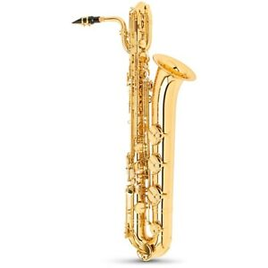

Warm Up

Technical Books
Name | Author

Solos
Name | Composer

Bass Clarinet
Bass Clarinet | 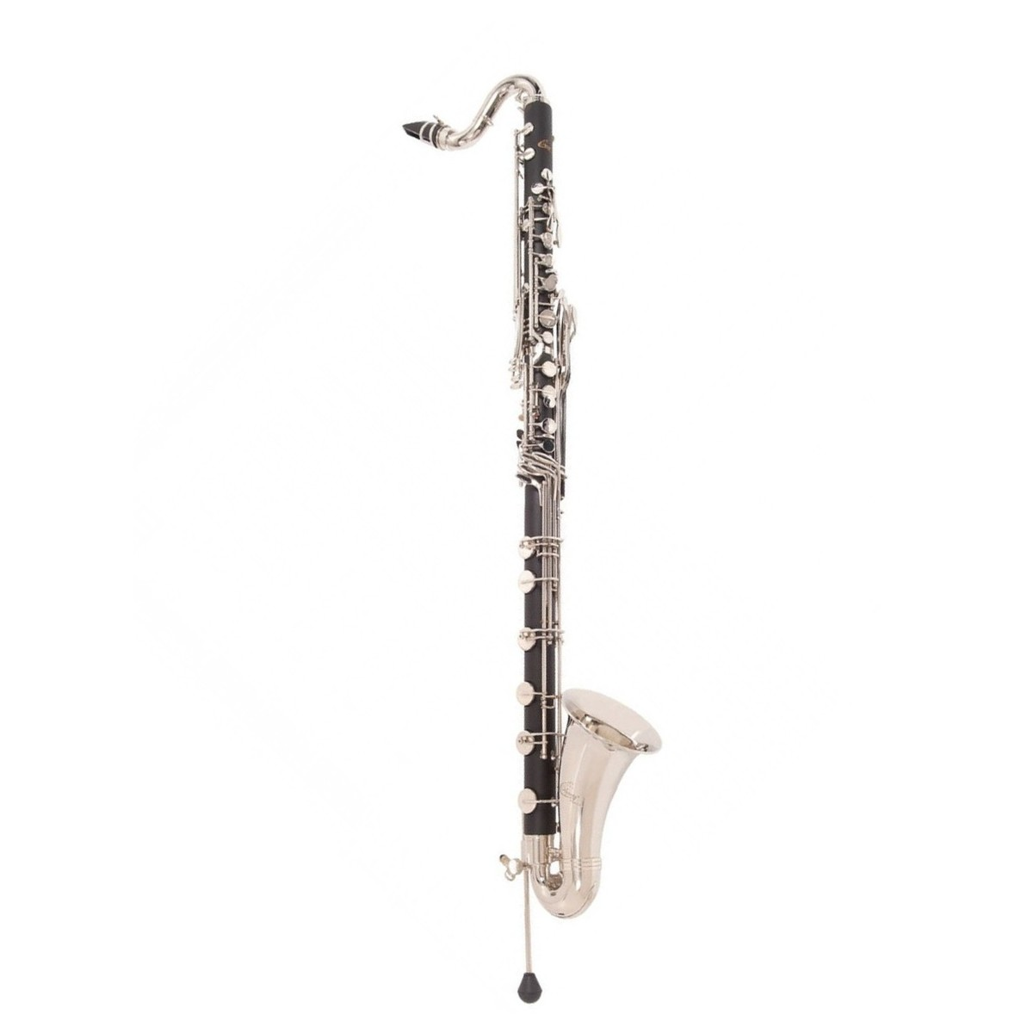

Warm Up

Technical Books
Name | Author

Solos
Name | Composer

EuphoniumBaritone
Euphonium & Baritone | 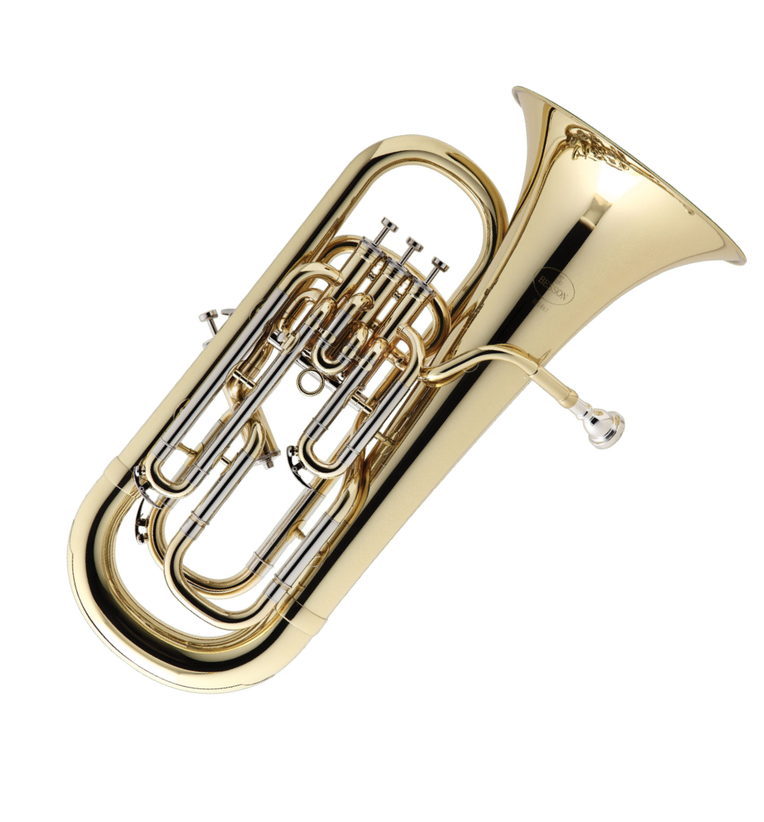

Warm Up

Technical Books
Name | Author
40 Progressive Etudes for Trombone | Sigmund Hering
Arban - Complete Method for Trombone & Euphonium | Joseph Alessi & Brian Bowman
The Brass Gym | Patrick Sheridan & Sam Pilafian
Daily Drills & Technical Studies for Trombone | Max Schlossberg
Melodius Etudes for Trombone Book 1 | Joannes Rochut
Melodius Etudes for Trombone Book 2 | Joannes Rochut
Melodius Etudes for Trombone Book 3 | Joannes Rochut
Texas Bandmasters Euphonium Warm Up | Larry Ward

Solos
Name | Composer

Bassoon
Bassoon | 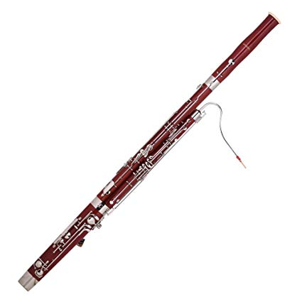

Warm Up

Technical Books
Name | Author

Solos
Name | Composer

Clarinet
Clarinet | 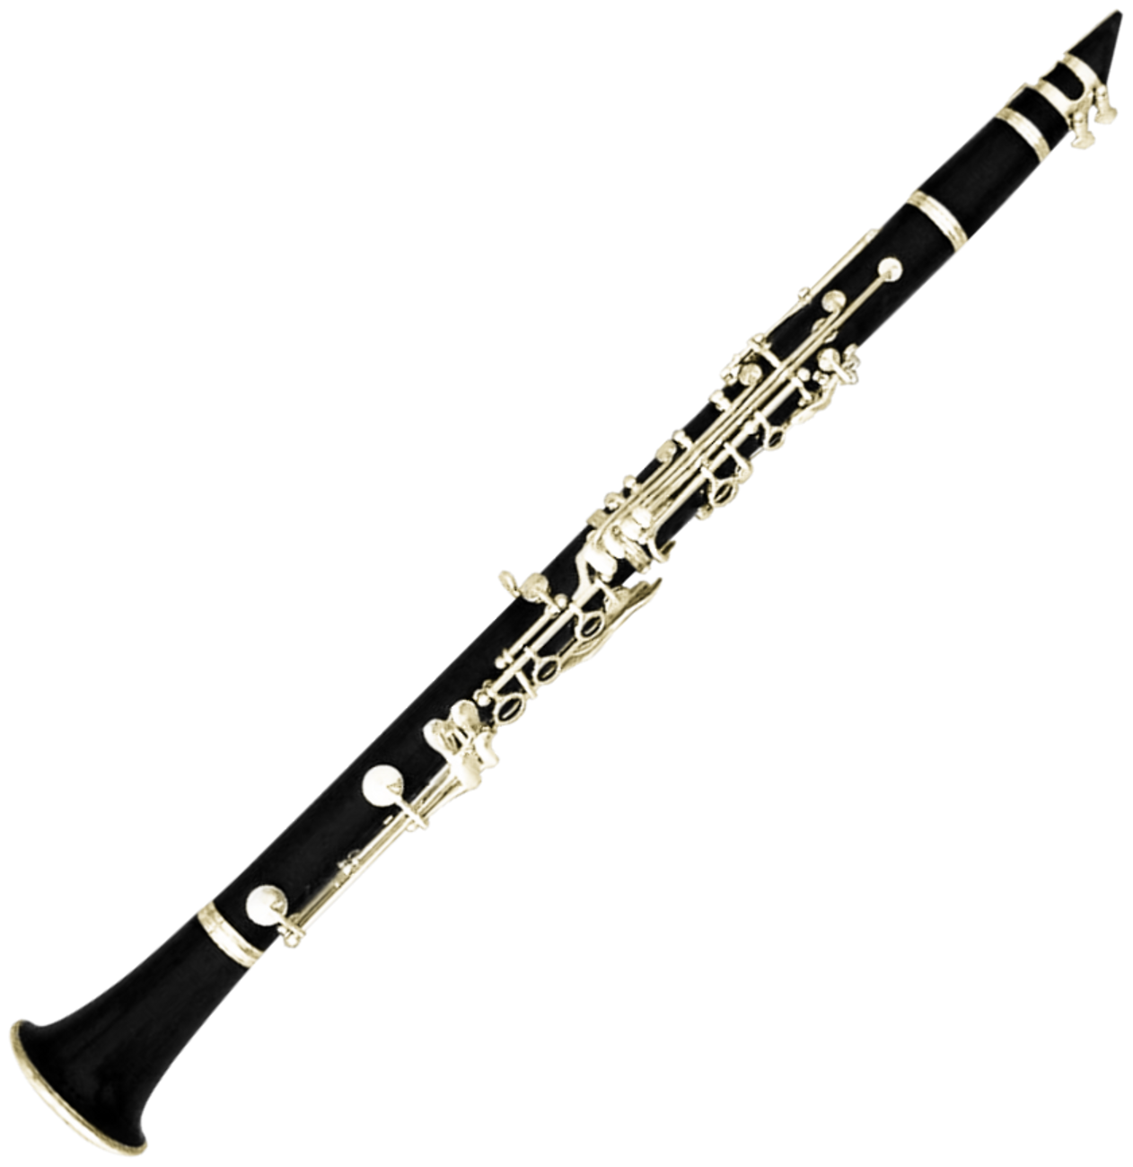

Warm Up

Technical Books
Name | Author

Solos
Name | Composer

FlutePiccolo
Flute/Piccolo | 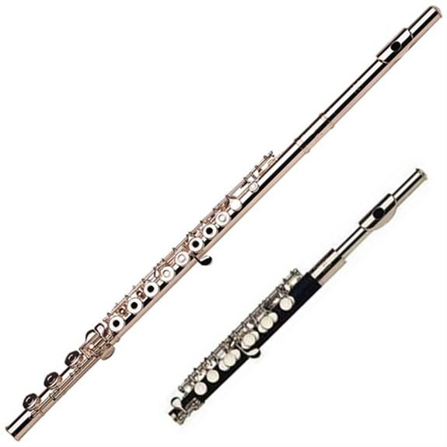

Warm Up

Technical Books
Name | Author

Solos
Name | Composer

French Horn
French Horn | 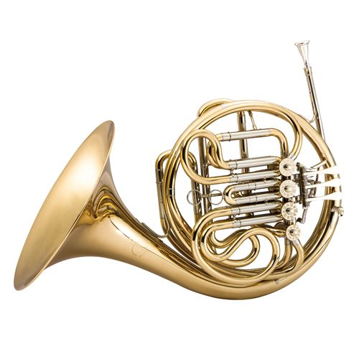

Warm Up

Technical Books
Name | Author

Solos
Name | Composer

Oboe
Oboe | 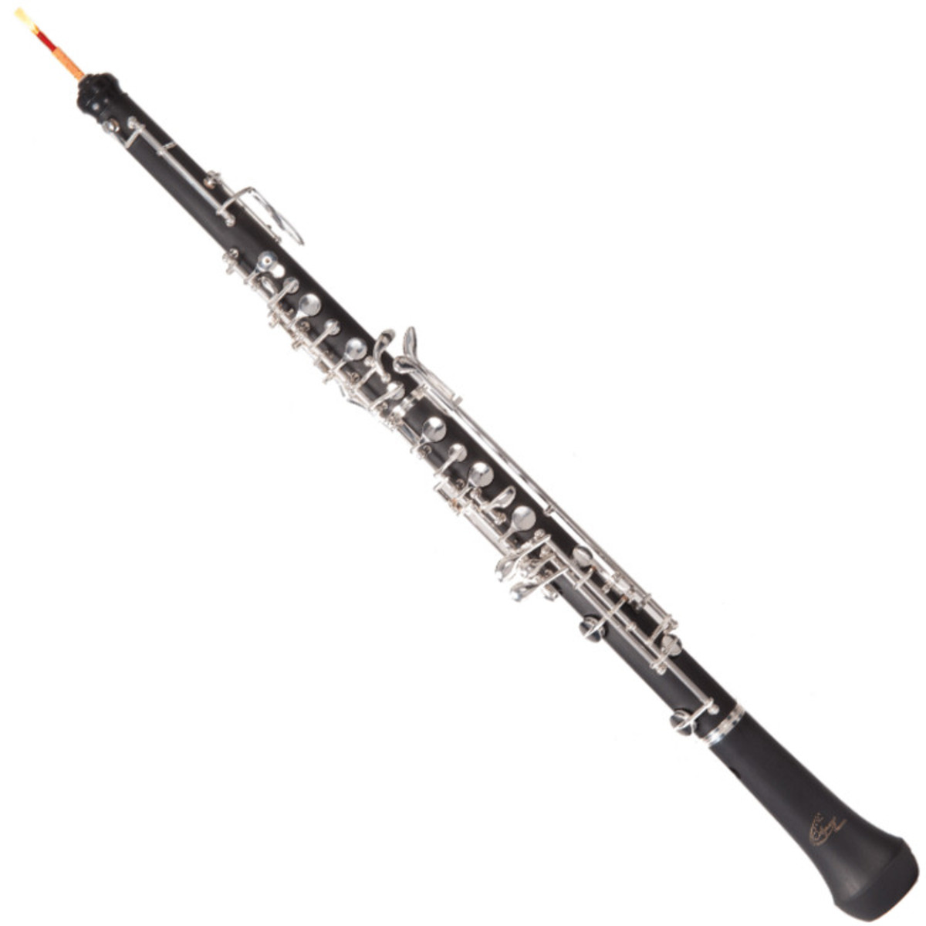

Warm Up

Technical Books
Name | Author

Solos
Name | Composer

TromboneBass Trombone
Trombone/ Bass Trombone | 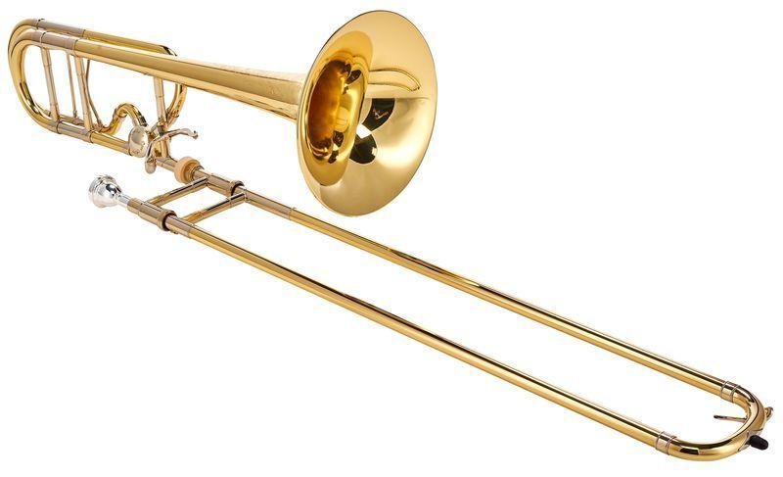

Warm Up

Technical Books
Name | Author

Solos
Name | Composer

Cello
Cello | 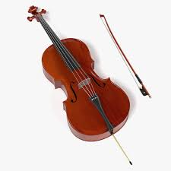

Warm Up

Technical Books
Name | Author

Solos
Name | Composer

String Bass
String Bass | 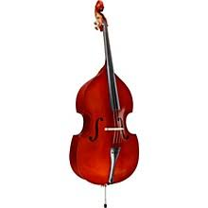

Warm Up

Technical Books
Name | Author

Solos
Name | Composer

Viola
Viola | 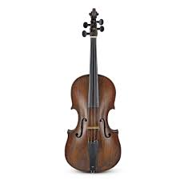

Warm Up

Technical Books
Name | Author

Solos
Name | Composer

Violin
Violin | 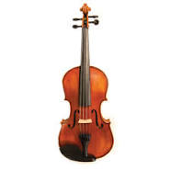

Warm Up
Name | Author

Technical Books
Name | Author

Solos
Name | Composer

Piano
Piano | 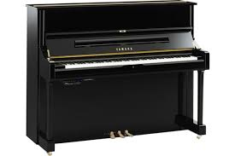

Warm Up
Name

Technical Books
Name | Author

Solos
Name | Composer

Percussion
Percussion | 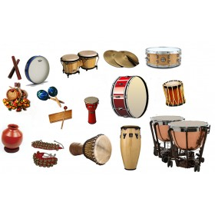

Warm Up

Technical Books
Name | Author

Solos
Name | Composer

